Manual Test Web Dummy
 | TESTER NAME: sani sambalado | PROJECT / TEST CYCLE: LOGIN | TEST PURPOSE: Manual Test
 | TEST DATE: September 22th 2022 |  | BUILD ID: -
 | LANGUAGE TESTED: Indonesia & Inggris | DEVICE / BROWSER: Chrome
Source "https://www.saucedemo.com/" (Manual Web Test)
Test Id | Test Case | Expected Result | Actual Result | Pass/Fail | Test Step | Positive/Negative Case
Test Condition: Login Feature
LOGIN_1 | As User I want login with valid Username and Password | 1. Naviigate to Home Page 2. Successfully login 3. Showing Main Page | 1. Navigate to Home Page and showing main page | Pass | 1. Masuk Kehalaman Login Page 2. Mengisi email dengan data valid/terdaftar 3. Mengisi password dengan data valid sesuai email | Positive | 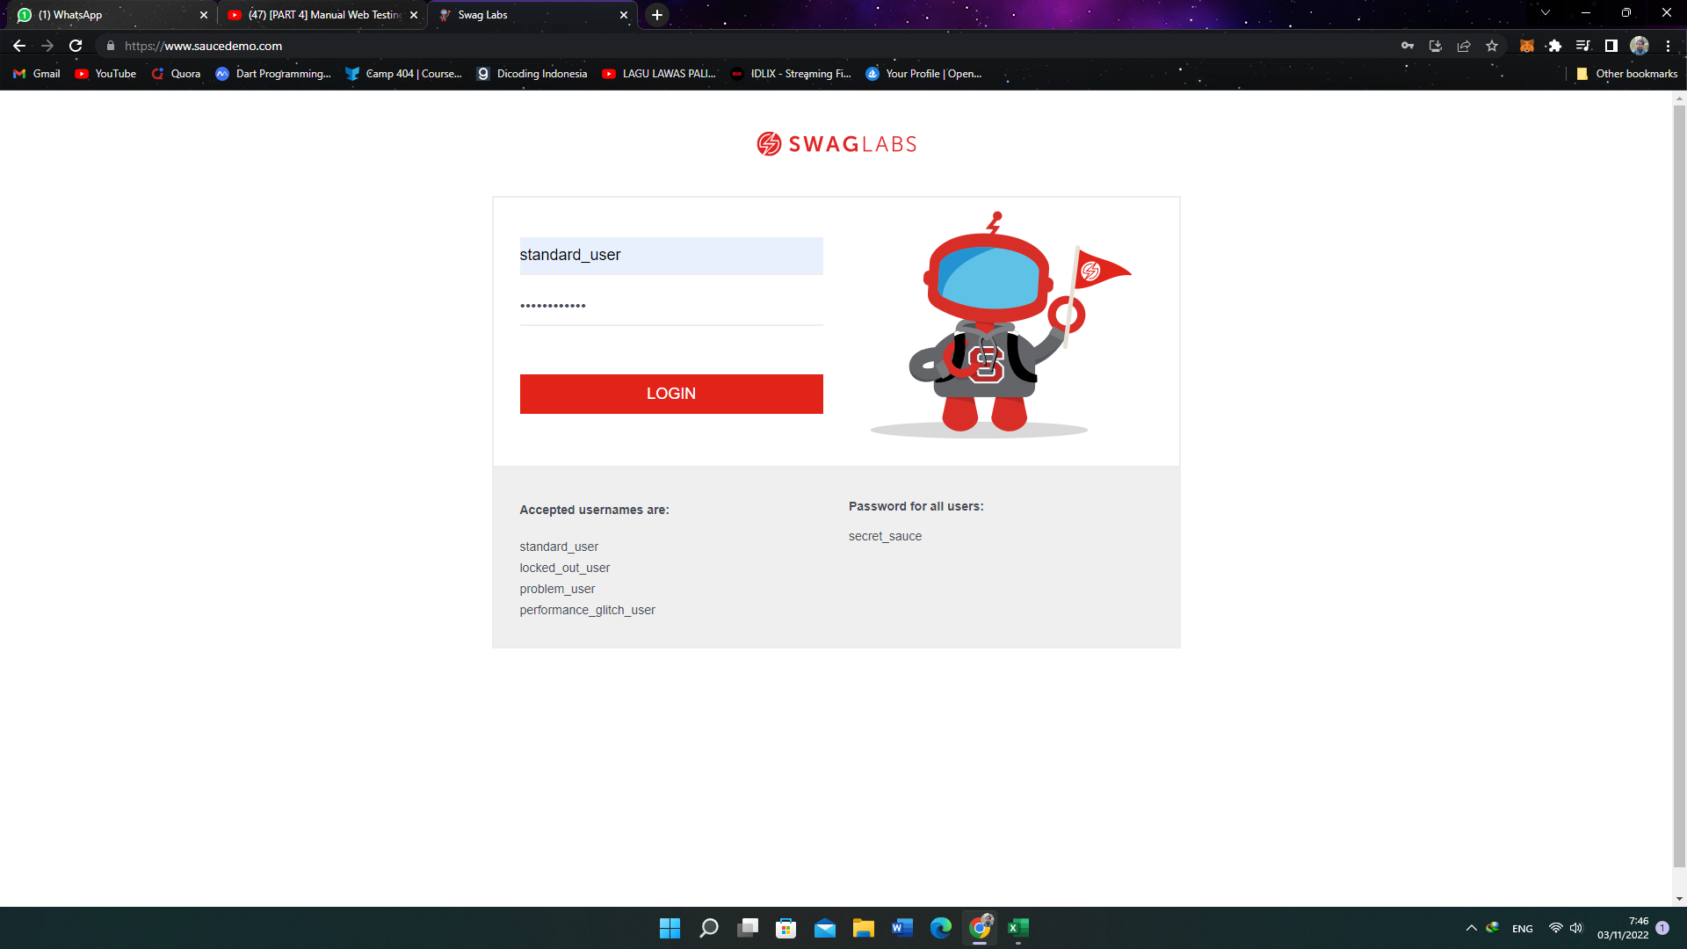 | 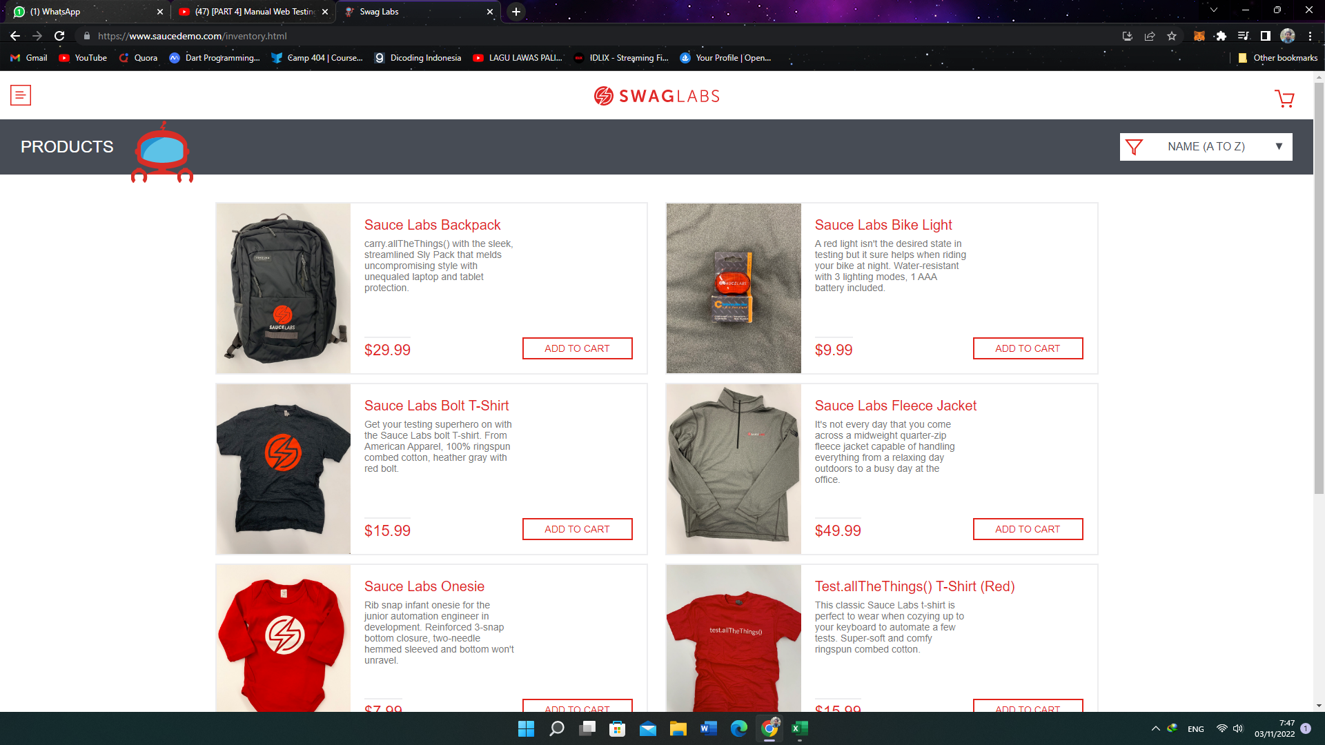
LOGIN_2 | As User I want login with invalid login | 1. Naviigate to Home Page 2. Failed Login 3. Showing Eror Message "Username and password do not match any user in this service" | 1. Navigate to Home Page and showing main page 2. Failed Login and showing eror message "Username and password do not match any user in this service" | Pass | 1. Masuk Ke Halaman Login Page 2. Mengisi email dan password dengan username dan password yang salah | Negative | 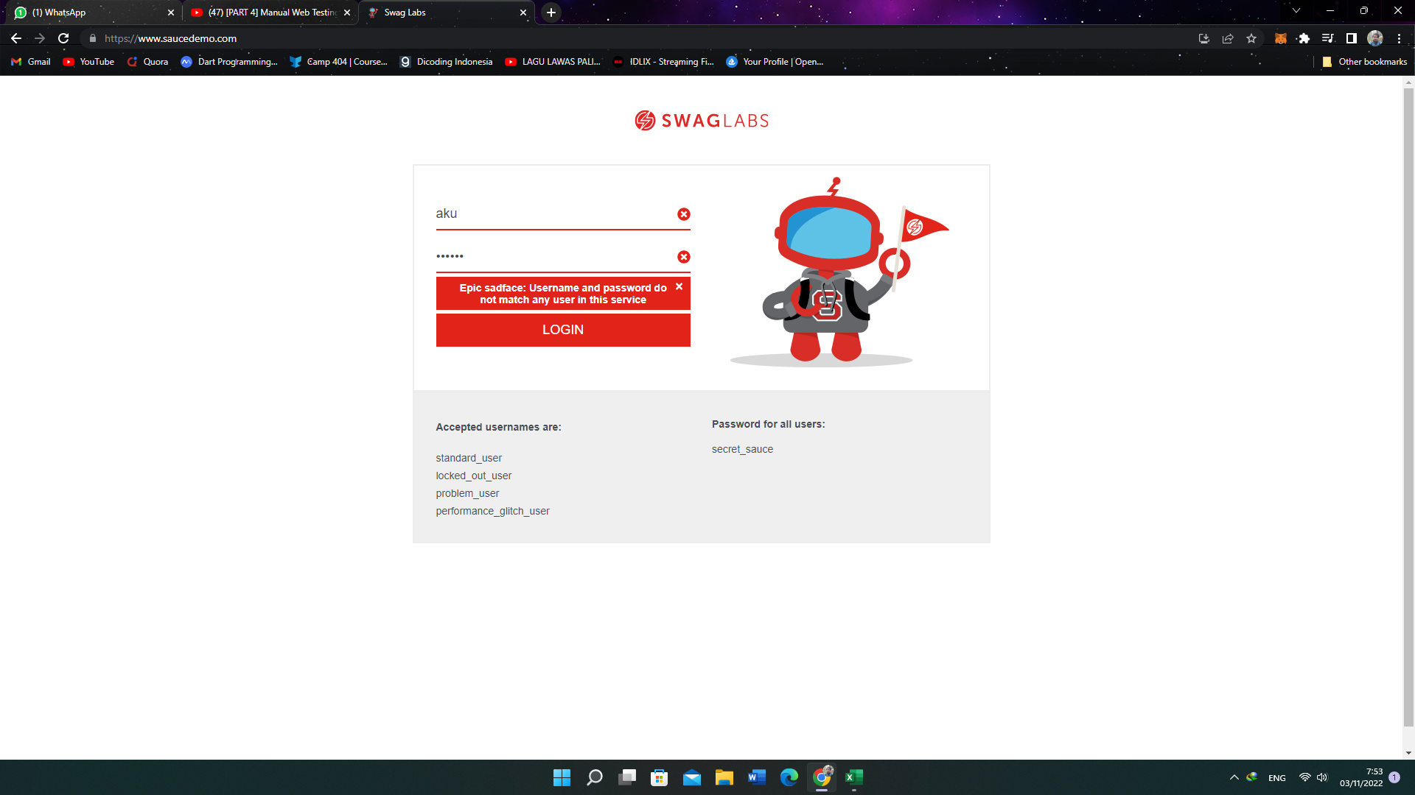
LOGIN_3 | As user I want to login without Username | 1. Naviigate to Home Page 2. Failed Login 3. Showing Eror Message "Username is required" | 1. Navigate to Home Page and showing main page 2. Failed Login and showing eror message "Username Is Required" | Pass | 1. Masuk Ke Halaman Login Page 2. Mengisi Password dan Tidak mengisi Username | Negative | 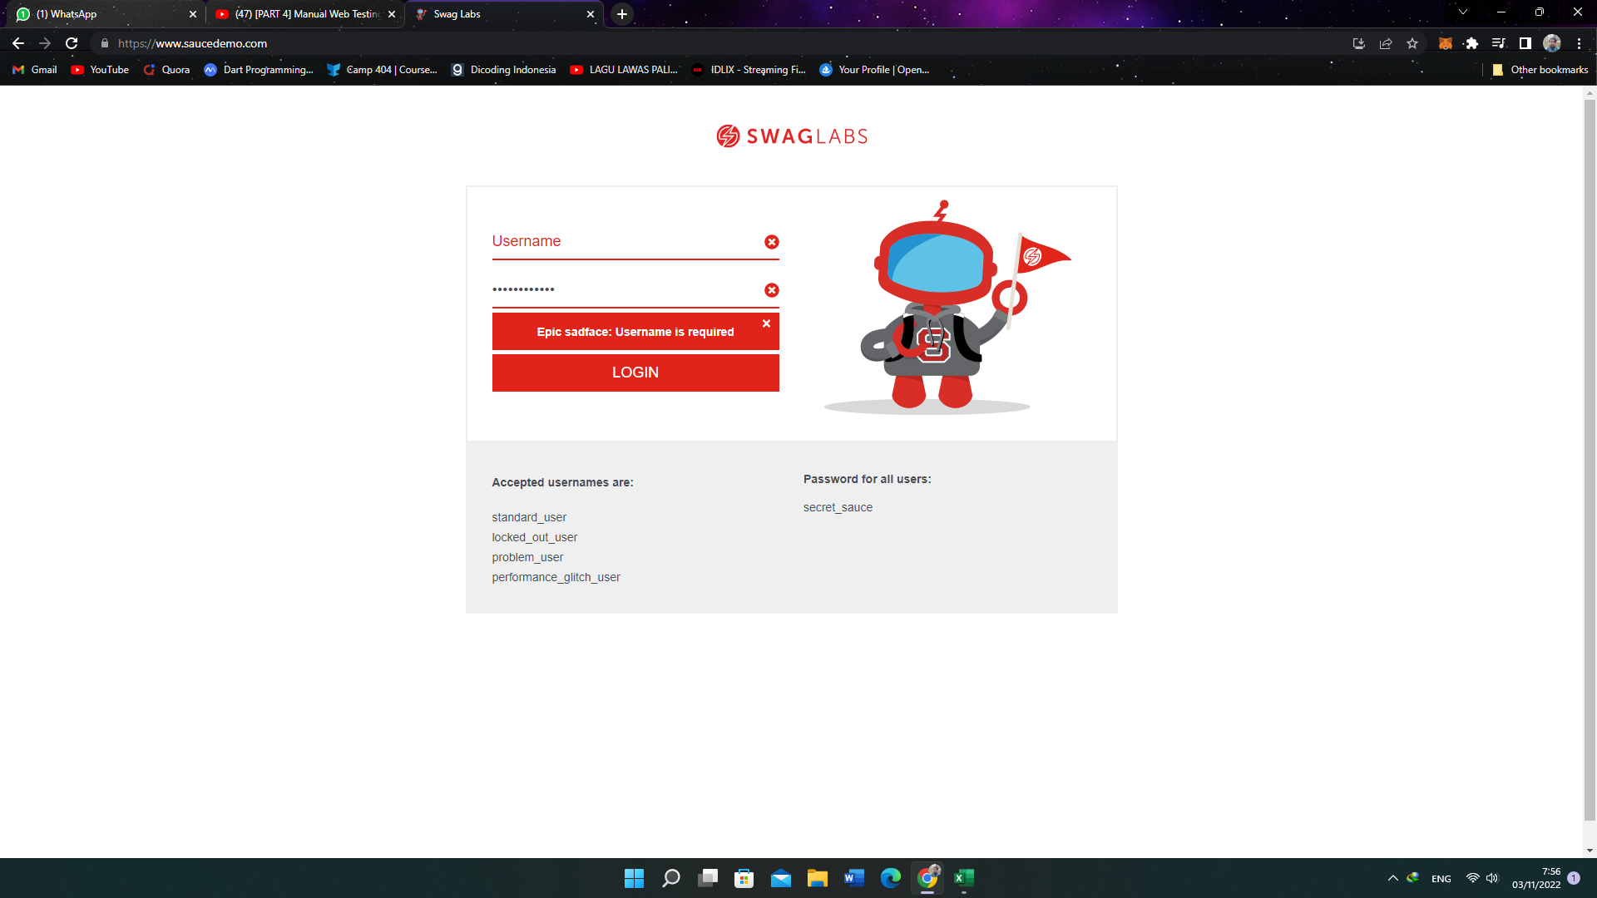
LOGIN_4 | As user I want to login without Password | 1. Naviigate to Home Page 2. Failed Login 3. Showing Eror Message " Password is required" | 1. Navigate to Home Page and showing main page 2. Failed Login and showing eror message " Password is required" | Pass | 1. Masuk Ke Halaman Login Page 2. Mengisi dengan email yang kosong | Negative | 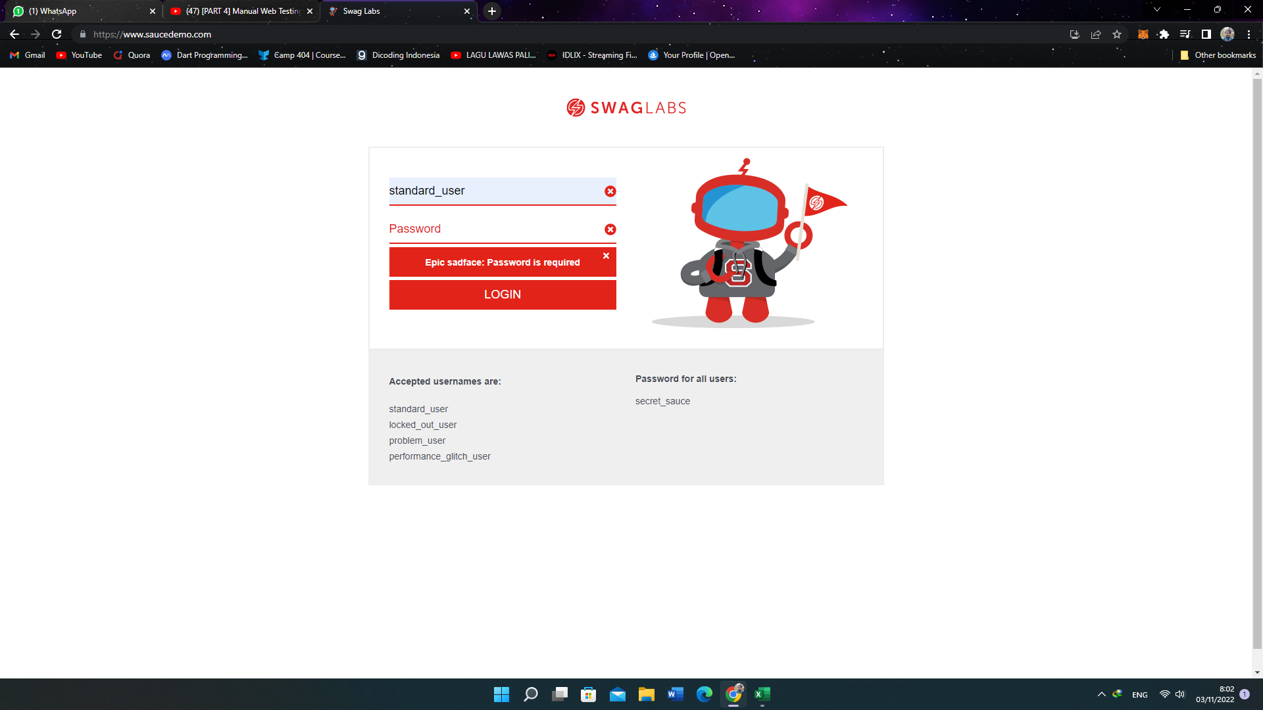
5
6
7
8

